inventer
EDA DOCUMENT
 |  |  |  |  | univariant |  |  |  | Bivariant
Column name | 1st business moment | 2nd business moment | 3rd business moment | 4th business moment | Histogram | Box plot | Descity plot | Statistical Insight | Power_INV_unit1 | Statistical Insights | Power_INV2_unit1 | Statistical Insigths | Power of INV1 in unit2 | Statistical insights | Power of INV2 in unit2 | Statistical insigth
Power of INV1 in unit1 | mean = 699.1582284424484 | Sd = 943.2947011008768 |  |  | 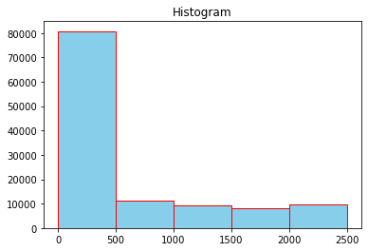 | 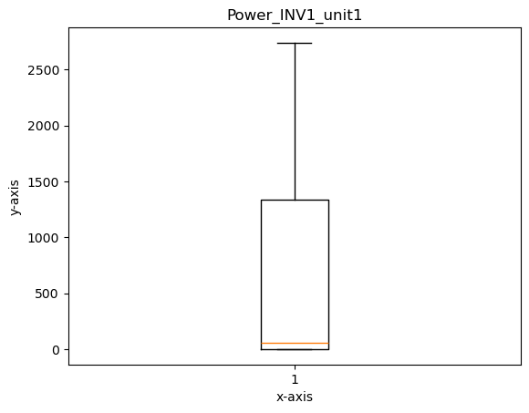 | 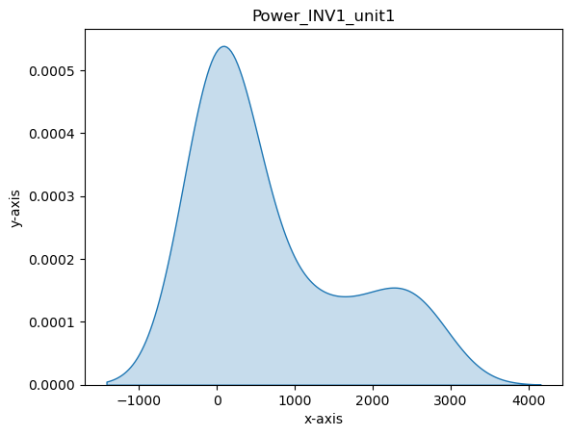 | The data distribution is heavily skewed towards lower values, with most observations concentrated below 500. | 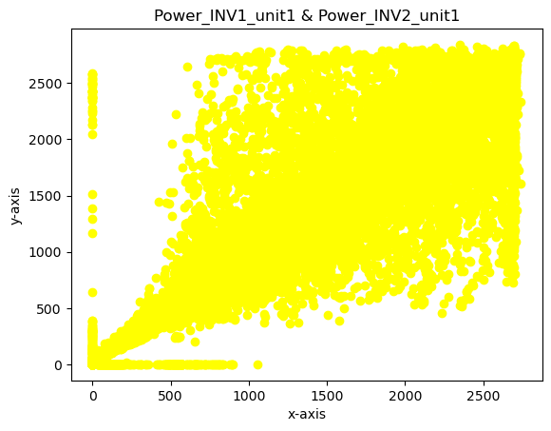 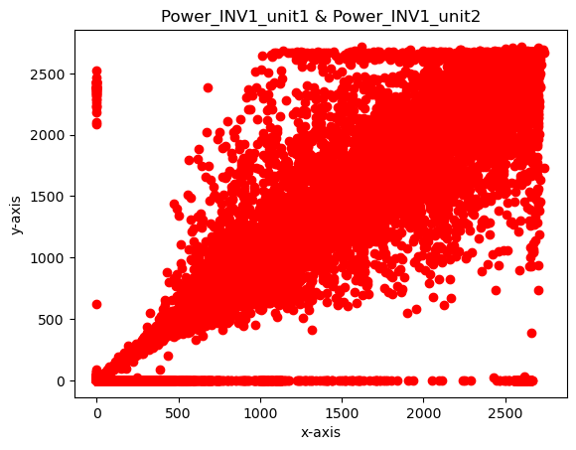 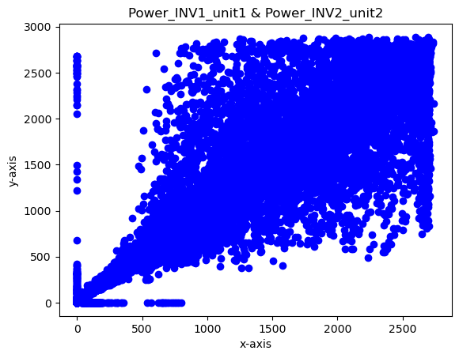 | the scatter plot suggests that there is no strong linear relationship between Power_INV1_unit1 and Power_INV2_unit1. The data appears to be somewhat clustered, but further analysis is needed to understand the nature of these clusters. | 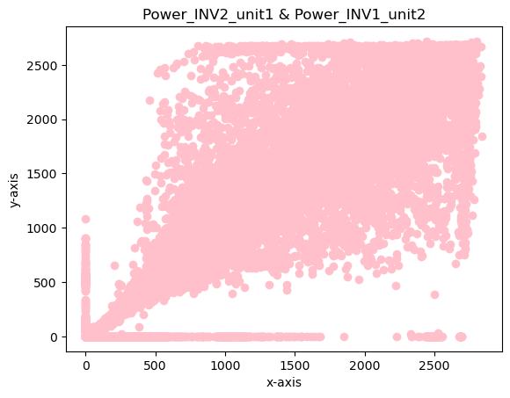 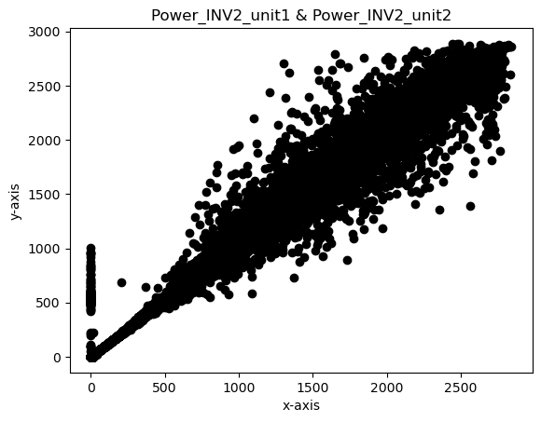 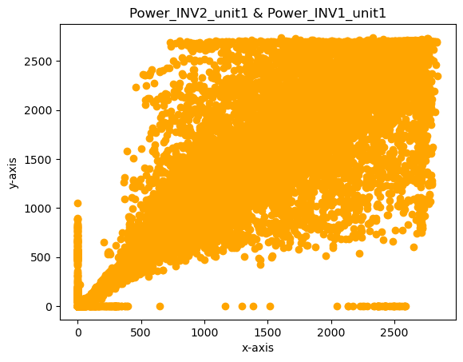 | the scatter plot suggests a positive correlation between Power_INV1_unit2 and Power_INV2_unit2, with some clustering and outliers present. | 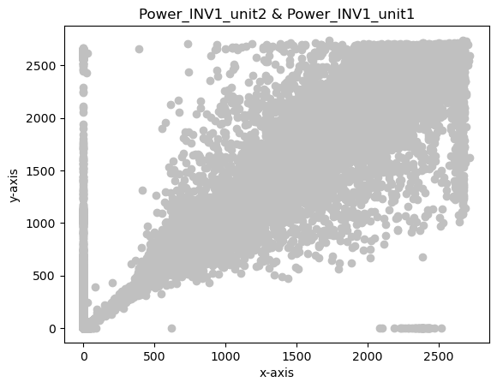 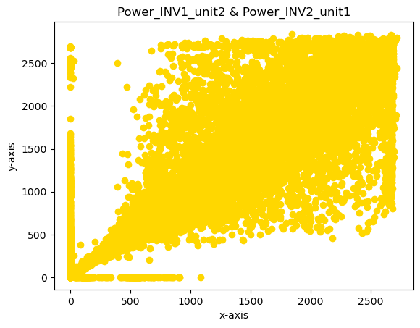 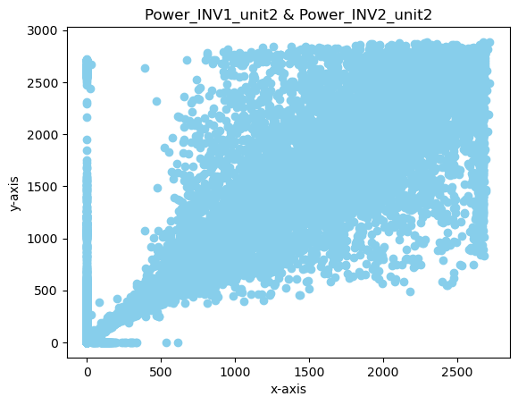 | a positive correlation between Power_INV1_unit1 and Power_INV2_unit1, with some clustering and outliers present. | 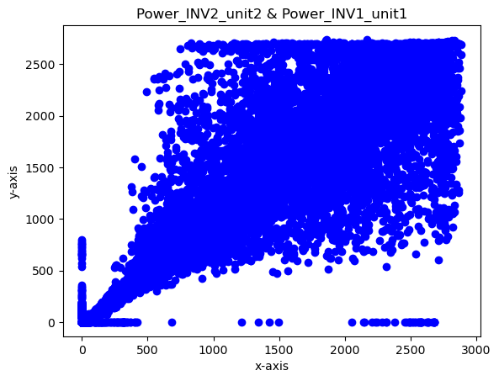 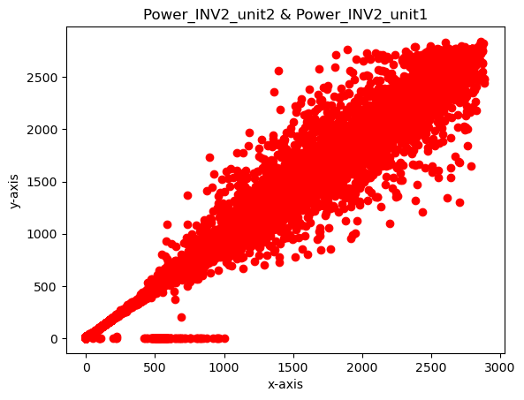 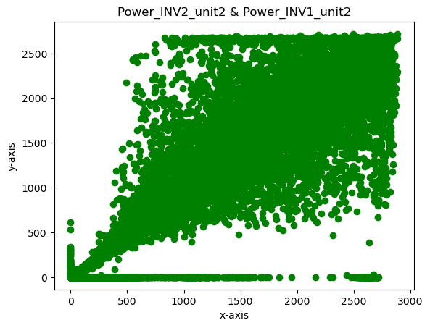 | positive correlation between Power_INV1_unit1 and Power_INV2_unit1, with some clustering and outliers present.
 | median = 60.099998 | Variance = 889804.8931249924 |  |  |  |  |  | A few outliers or higher values extend to around 2500–3000, but these are not frequent.
 | mode = 0 0.0 | Range = 2739.800049 | Skewness = 1.0295841912525563 | Kutosis = -0.5110852544531168 |  |  |  | The presence of a secondary peak suggests that while most of the data is near zero, there may be some sporadic higher power usage or readings, possibly due to varying operating conditions or intermittent spikes in power consumption.
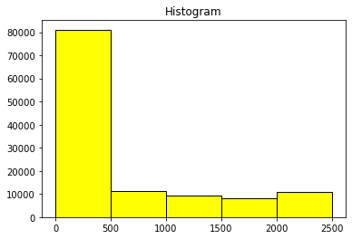
 |  |  |  |  |  |  | 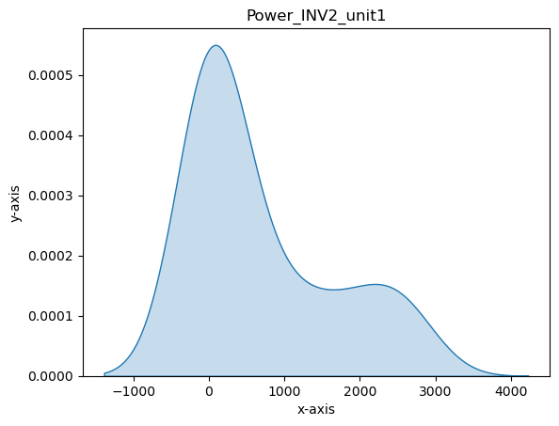 | The data distribution is heavily skewed towards lower values, with most observations concentrated below 500.
Power of INV2 in unit1 | mean = 684.7462411719946 | Sd = 925.6170260229986 |  |  |  |  |  | A few outliers or higher values extend to around 2500–3000, but these are not frequent.
 | median = 65.199997 | Variance = 856766.8788636605 |  |  |  |  |  | The presence of a secondary peak suggests that while most of the data is near zero, there may be some sporadic higher power usage or readings, possibly due to varying operating conditions or intermittent spikes in power consumption.
 | mode = 0 0.0 | Range = 2842.199951 | Skewness = 1.0515852401213266 | Kutosis = -0.4368673943936545
 |  |  |  |  |  |  |  |  |  | the scatter plot suggests a positive correlation between Power_INV1_unit1 and Power_INV1_unit2, with some clustering and outliers present. |  | the scatter plot suggests a positive correlation between Power_INV2_unit1 and Power_INV2_unit2, with some clustering and outliers present. |  | positive correlation between Power_INV1_unit1 and Power_INV2_unit1, with some clustering and outliers present. |  | Overall, the scatter plot suggests a positive correlation between Power_INV2_unit1 and Power_INV2_unit2, with some clustering and outliers present.
Power of INV1 in unit2 | mean = 676.261989919604 | Sd = 920.1404820023655 |  |  | 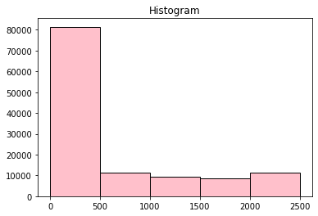 | 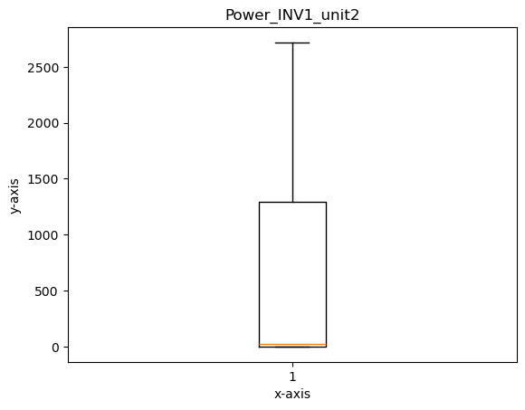 | 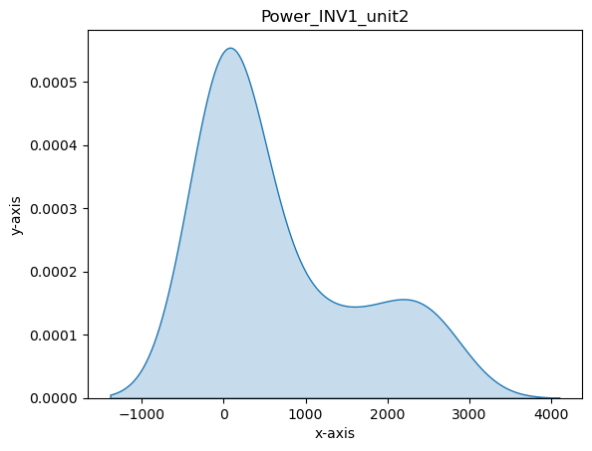
 | median = 24.0 | Variance = 846658.5066195455 |  |  |  |  |  | The data distribution is heavily skewed towards lower values, with most observations concentrated below 500.
 | mode = 0 0.0 | Range = 2717.399902 | Skewness = 1.0424439183528162 | Kutosis = -0.4743990918606231 |  |  |  | A few outliers or higher values extend to around 2500–3000, but these are not frequent.
 |  |  |  |  |  |  |  | The presence of a secondary peak suggests that while most of the data is near zero, there may be some sporadic higher power usage or readings, possibly due to varying operating conditions or intermittent spikes in power consumption.
Power of INV2 in unit2 | mean = 710.8789711091201 | Sd =957.7293736281651 |  |  | 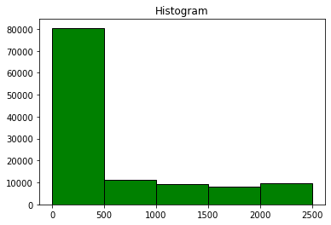 | 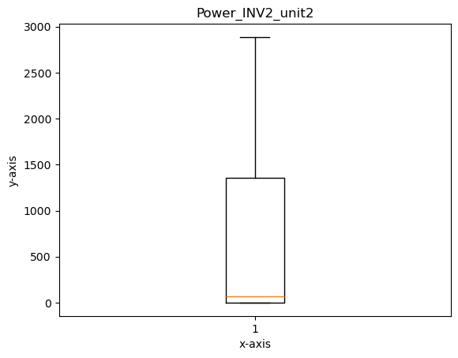 |  | The data distribution is heavily skewed towards lower values, with most observations concentrated below 500. |  | the scatter plot suggests a positive correlation between Power_INV1_unit1 and Power_INV2_unit2, with some clustering and outliers present. |  | positive correlation between Power_INV1_unit1 and Power_INV2_unit1, with some clustering and outliers present. |  | the scatter plot suggests a positive correlation between Power_INV2_unit1 and Power_INV2_unit2, with some clustering and outliers present. |  | a positive correlation between Power_INV2_unit1 and Power_INV2_unit2, with some clustering and outliers present.
 | median = 66.699997 | Variance =917245.5531101975 |  |  |  |  |  | A few outliers or higher values extend to around 2500–3000, but these are not frequent.
 | mode = 0 0.0 | Range = 2887.0 | Skewness = 1.0350766969568717 | Kutosis = -0.4889573589060583 |  |  |  | The presence of a secondary peak suggests that while most of the data is near zero, there may be some sporadic higher power usage or readings, possibly due to varying operating conditions or intermittent spikes in power consumption.

WMS Report
EDA DOCUMENT
 |  |  |  |  | Univariant |  |  |  | Bivariant
Column name | 1st business moment | 2nd business moment | 3rd business moment | 4th business moment | Histogram | Box plot | Density plot | Statistiacal Insights | GII | Statistical Insigts | MODULE_TEMP_1 | Statistical Insight | RAIN | Statistical insights | AMBIENT_TEMPRETURE | Statistical Insights
GII | mean = 437.5893266716337 | Std = 307.389013496168 |  |  | 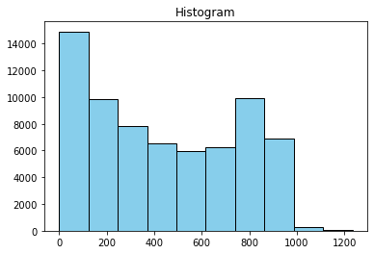 | 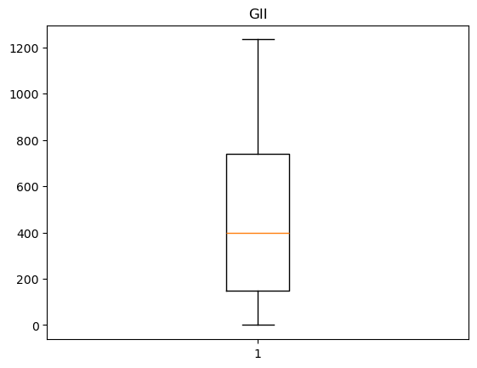 | 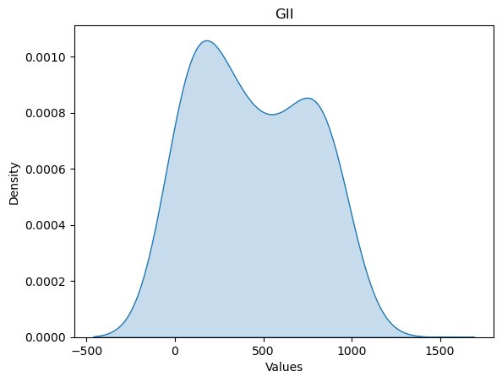 | 1.Histogram : Right-Skewed Distribution: Most values are low (0-200 range), with fewer high values. Peak at Low Range: The highest frequency occurs in the 0-200 bin. Few High Values: Almost no data points exist beyond 1000. | 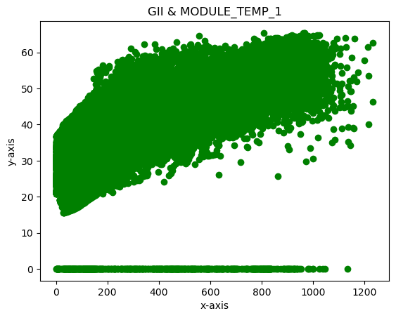 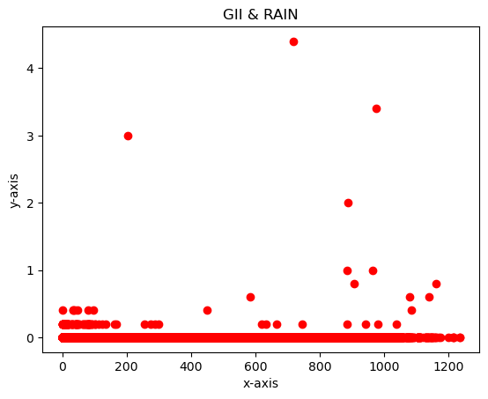 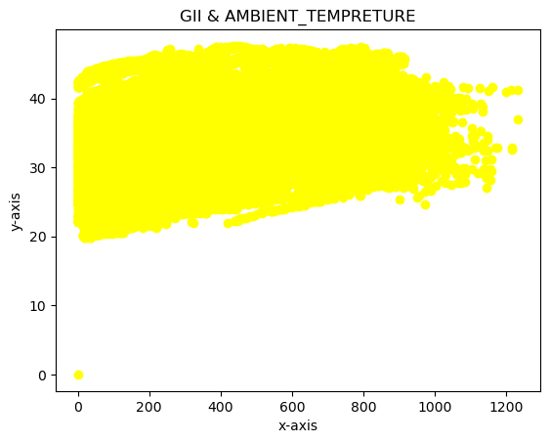 | The scatter plot illustrates a positive correlation between GII and MODULE_TEMP_1. As the GII value increases, the MODULE_TEMP_1 value also tends to increase. This suggests that higher GII values are associated with higher module temperatures. | 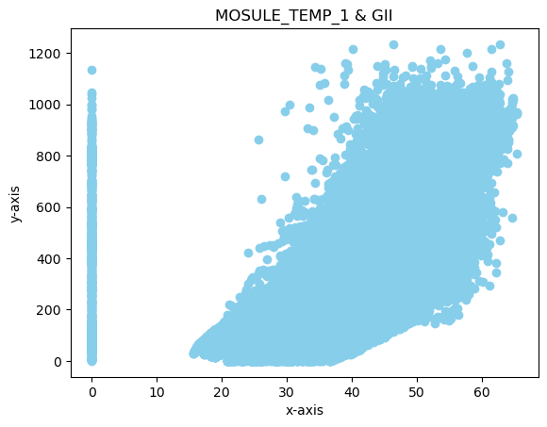 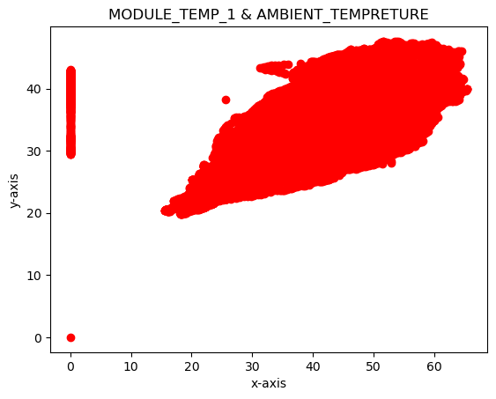 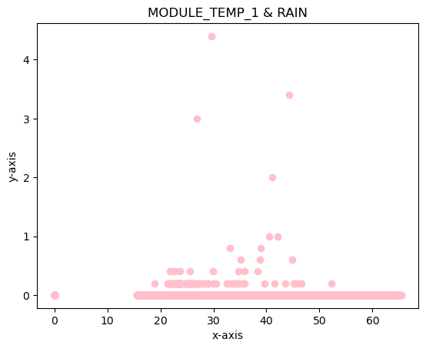 | The scatter plot illustrates a weak positive correlation between MODULE_TEMP_1 and GII. As the MODULE_TEMP_1 value increases, the GII value also tends to increase slightly. However, the relationship is not very strong, and there is a significant amount of scatter in the data | 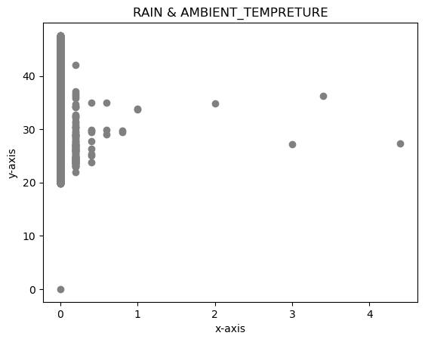 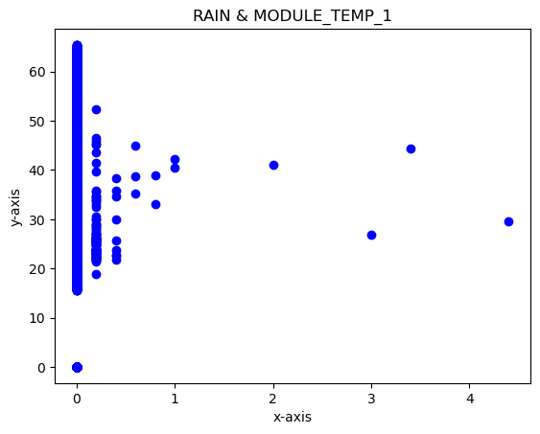 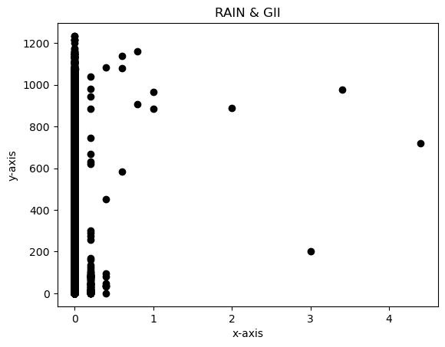 | The scatter plot illustrates a weak or no correlation between RAIN and GII. The data points are scattered across a range of RAIN and GII values, with no clear pattern or trend. This suggests that there is no strong relationship between RAIN and GII. | 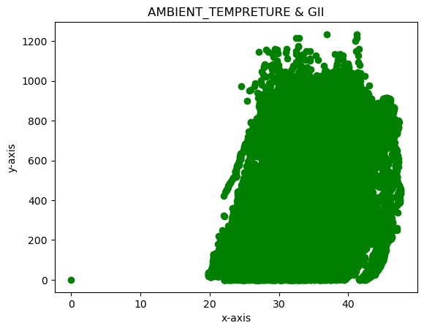 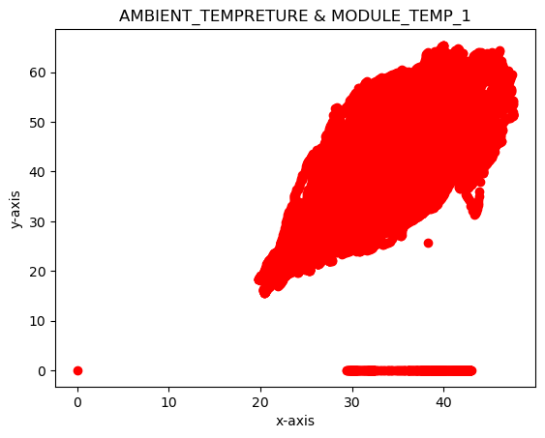 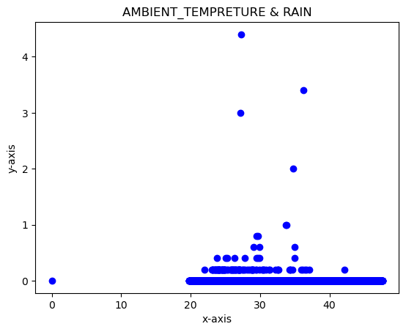 | The scatter plot illustrates a weak positive correlation between AMBIENT_TEMPRETURE and GII. As the AMBIENT_TEMPRETURE value increases, the GII value also tends to increase slightly. However, the relationship is not very strong, and there is a significant amount of scatter in the data.
 | median = 399.0 | Variance = 94488.00561814733 |  |  |  |  |  | 2.Boxplot : Median Around 400-500: The middle value of the data is around 400-500. Moderate Spread: The middle 50% of values range between 200 and 800. No Extreme Outliers: Data extends to about 1200, with no extreme high or low outliers.
 | mode = 0 2 | Range =1234 | Skewness = 0.17263262439007193 | Kutosis = -1.3956768397995778 |  |  |  | 3. Density plot : Bimodal Distribution: The plot has two peaks, indicating two common value ranges within the data. Concentration Around 250: The highest density is near 250, where data values are most frequent. Right-Skewed: The long tail on the right side suggests some high-value outliers in the data.

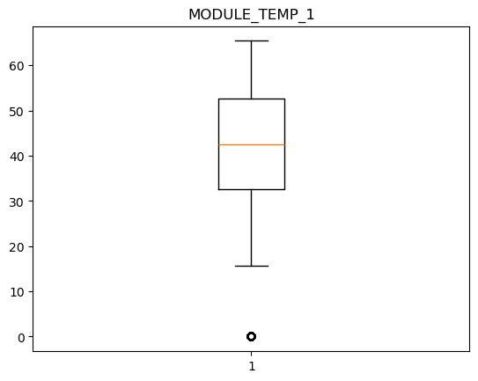
MODULE_TEMP_1 | mean =42.09957118557426 | Std = 12.183708206282022 |  |  | 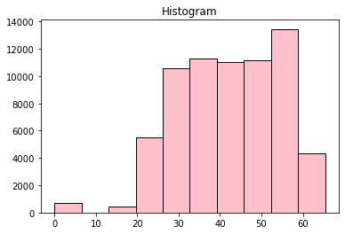 |  | 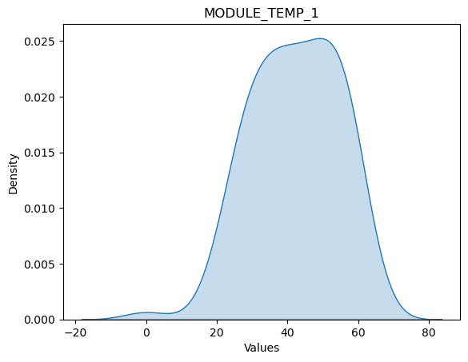 | 1. Histogram : Left-Skewed Distribution: Most values are in the 30-60 range, with fewer values below 20. Peak Frequency at 60: The highest count is around 60. Few Low Values: There are very few data points below 20. 2.Box Plot: Median Around 40-45: The central value of the data is between 40 and 45. Interquartile Range (IQR): The middle 50% of data lies between 30 and 55. Low Outlier: There is an outlier near 0, indicating an unusually low value compared to the rest.3.Density plot : The distribution appears to be right-skewed, with a peak around 40-50. This indicates that most values are concentrated in this range, with fewer values extending towards the higher end.
 | median = 42.5 | Variance = 148.4427456558239
 | mode = 0 0.0 | Range = 65.400002 | Skewness = -0.40315964610555133 | Kutosis = -0.13288189913321746
 |  |  |  |  |  |  |  |  |  | The scatter plot illustrates a weak or no correlation between GII and RAIN. The data points are scattered across a range of GII and RAIN values, with no clear pattern or trend. This suggests that there is no strong relationship between GII and RAIN. |  | The scatter plot illustrates a weak or no correlation between MODULE_TEMP_1 and RAIN. The data points are scattered across a range of MODULE_TEMP_1 and RAIN values, with no clear pattern or trend. This suggests that there is no strong relationship between MODULE_TEMP_1 and RAIN. |  | The scatter plot illustrates a weak or no correlation between RAIN and MODULE_TEMP_1. The data points are scattered across a range of RAIN and MODULE_TEMP_1 values, with no clear pattern or trend. This suggests that there is no strong relationship between RAIN and MODULE_TEMP_1. |  | The scatter plot illustrates a strong positive correlation between AMBIENT_TEMPRETURE and MODULE_TEMP_1. As the AMBIENT_TEMPRETURE value increases, the MODULE_TEMP_1 value also tends to increase. This suggests that there is a strong relationship between ambient temperature and module temperature.
RAIN | mean = 0.0005902334495872563 | Std = 0.027935059208129005 |  |  | 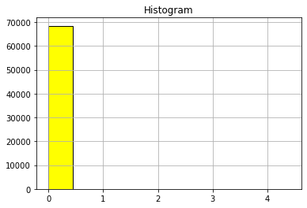 | 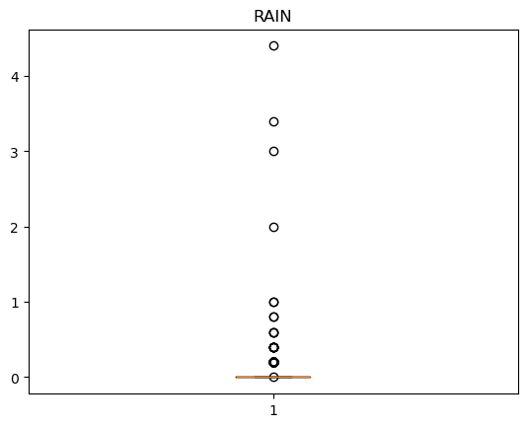 | 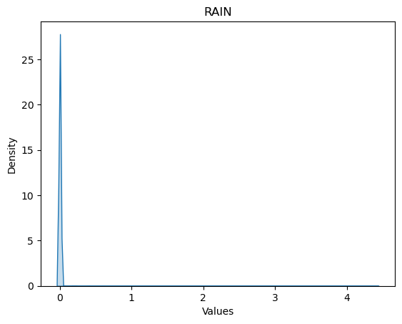 | 1. histogram: shows a distribution with a single, tall bar at the 0 position. This suggests that the majority of the data points have a value of 0. The other bars are very short or absent, indicating that there are very few or no data points with values greater than 0.
 | median = 0.0 | Variance = 0.0007803675329616731 |  |  |  |  |  | 2.Box plot : Outliers: There are several data points located above the upper whisker, indicating potential outliers in the dataset. These outliers represent unusually high rainfall values. Median: The median value, represented by the horizontal line within the box, is close to 0. This suggests that half of the rainfall values are below 0, which might indicate missing or zero rainfall data. Interquartile Range (IQR): The IQR, represented by the height of the box, is relatively small. This suggests that the middle 50% of the data points have a narrow range of values.
 | mode = 0 0.0 | Range = 4.400000000000001 | Skewness =110.16755124239366 | Kutosis = 14599.535721375278 |  |  |  | 3.Density plot: This indicates that the majority of the data points have a value of 0, with very few or no data points having values greater than 0. This suggests that the data might represent a binary variable where 0 indicates no rain and other values might indicate rainfall.
 |  |  |  |  |  |  |  |  |  | The scatter plot illustrates a weak positive correlation between GII and AMBIENT_TEMPRETURE. As the GII value increases, the AMBIENT_TEMPRETURE value also tends to increase slightly. However, the relationship is not very strong, and there is a significant amount of scatter in the data. |  | The scatter plot illustrates a weak positive correlation between MODULE_TEMP_1 and AMBIENT_TEMPRETURE. As the MODULE_TEMP_1 value increases, the AMBIENT_TEMPRETURE value also tends to increase slightly. However, the relationship is not very strong, and there is a significant amount of scatter in the data.
AMBIENT_TEMPRETURE | mean = 34.42739440467409 | Sd =5.557230945832155 |  |  | 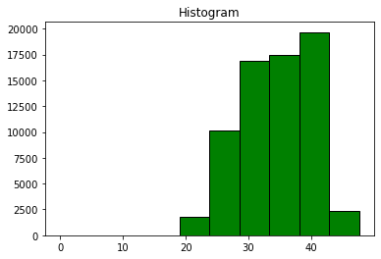 | 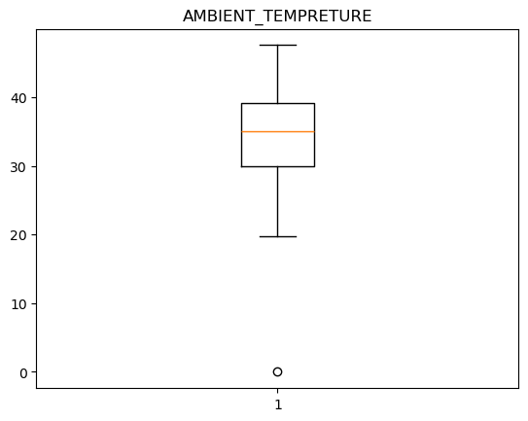 | 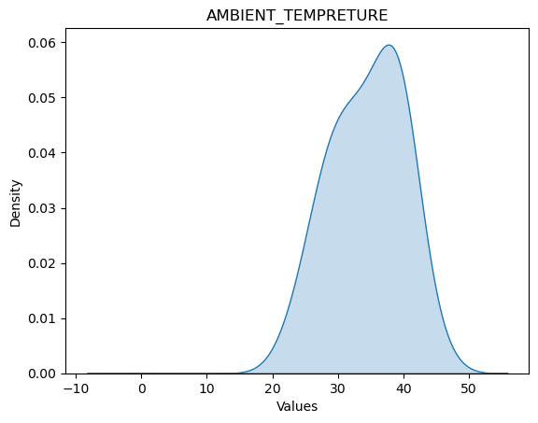 | 1.histogram: distribution that is right-skewed. This means that the tail of the distribution extends to the right. The majority of the data points are concentrated towards the lower end of the range, with fewer data points towards the higher end. |  |  |  |  |  | The scatter plot illustrates a weak or no correlation between RAIN and AMBIENT_TEMPRETURE. The data points are scattered across a range of RAIN and AMBIENT_TEMPRETURE values, with no clear pattern or trend. This suggests that there is no strong relationship between RAIN and AMBIENT_TEMPRETURE. |  | The scatter plot illustrates a weak or no correlation between AMBIENT_TEMPRETURE and RAIN. The data points are scattered across a range of AMBIENT_TEMPRETURE and RAIN values, with no clear pattern or trend. This suggests that there is no strong relationship between AMBIENT_TEMPRETURE and RAIN.
 | median = 35.099998 | Variance =5.557230945832155 |  |  |  |  |  | 2.Boxplot: No Outliers: There are no data points outside the whiskers, suggesting that the data points are relatively close to each other and there are no extreme values. Median: The median value, represented by the horizontal line within the box, is around 35. This means that half of the ambient temperature values are below 35 and half are above. Interquartile Range (IQR): The IQR, represented by the height of the box, is relatively small. This suggests that the middle 50% of the data points have a narrow range of values.
 | mode =0 39.0 | Range = 47.599998 | Skewness = -0.24645640454576995 | Kutosis = -0.7910726034733324 |  |  |  | 3.Density plot : distribution that is approximately normally distributed. This means that the data is clustered around a central value, with the frequency gradually decreasing as we move away from the center. The distribution is roughly symmetrical, with a peak around 35 degrees.

